Question 1
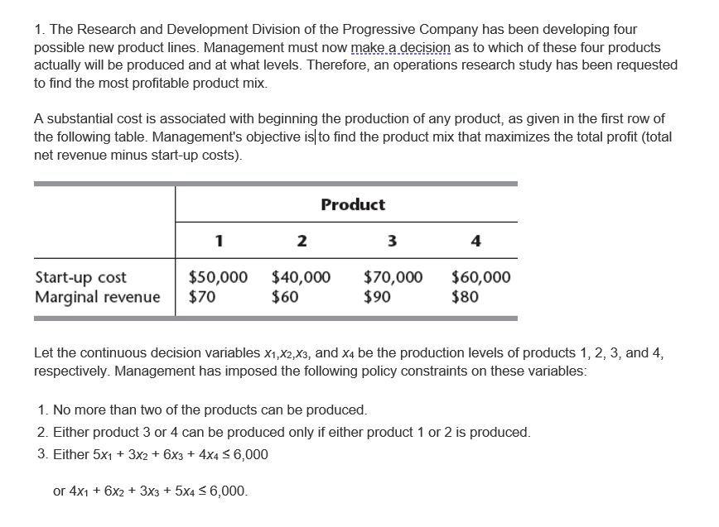
 |  |  |  |  |  |  | $80,000.00 | @
 | 1 | 2 | 3 | 4
Number of production | 0 | 2000 | 0 | 0
whether they will produce | 0 | 1 | 0 | 0 | 1 | <= | 2
y | 0 | 1 |  |  | 1 | = | 1

Start-up Cost | $50,000 | $40,000 | $70,000 | $60,000
Marginal revenue | $70 | $60 | $90 | $80

 | 5 | 3 | 6 | 4 | 6000 | <= | 6000
 | 4 | 6 | 3 | 5 | 12000 | <= | 1006000

 | 0 | 10000 | 0 | 0

 | 1 |  | 1 |  | 0 | >= | 0
 | 1 |  |  | 1 | 0 | >= | 0
 |  | 1 | 1 |  | 1 | >= | 0
 |  | 1 |  | 1 | 1 | >= | 0

 |  |  |  |  |  |  |  |  | 1 | 2 | 3 | 4
 |  |  |  |  |  |  |  | NUMBER OF PRODUCTION
 |  |  |  |  |  |  |  | WHETHER THEY WILL PRODUCE
 |  |  |  |  |  |  |  | to choose constraint

 |  |  |  |  |  |  |  |  | 5 | 3 | 6 | 4
 |  |  |  |  |  |  |  |  | 4 | 6 | 3 | 5
 |  |  |  |  |  |  |  |  | 1 |  | 1
 |  |  |  |  |  |  |  |  | 1 |  |  | 1

Question 3
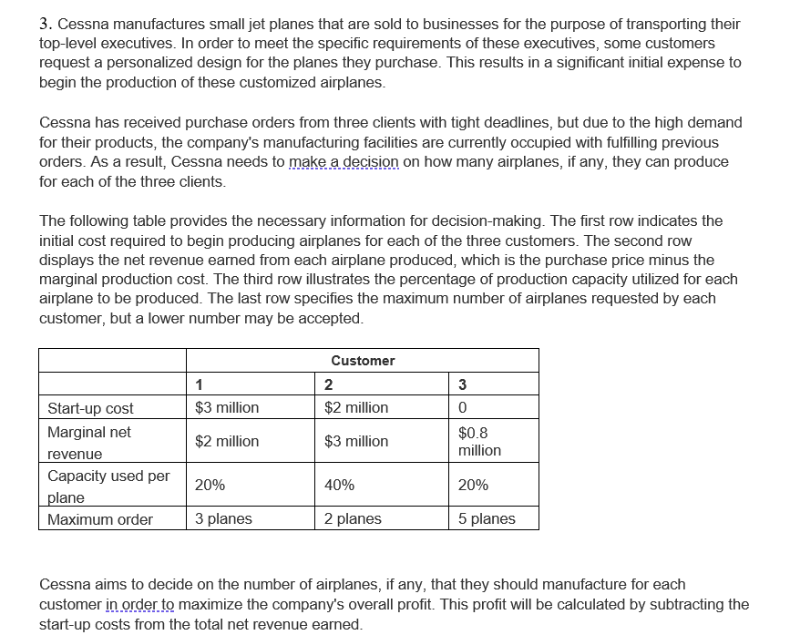
 |  |  |  |  |  | $4.80
 | 1 | 2 | 3
Number of production | 0 | 2.00 | 1.00
Whether manufacture for cust | 0 | 1 | 1

Start-up cost | $3 | $2 | $-
Marginal net revenue | $2 | $3 | $1
Maximum order | 3 | 2 | 5
Capacity used per plane | 0.2 | 0.4 | 0.2 | 1 | <= | 1

 | 0 | 2.00 | 1.00
 | <= | <= | <=
 | 0 | 2 | 5

Question 4
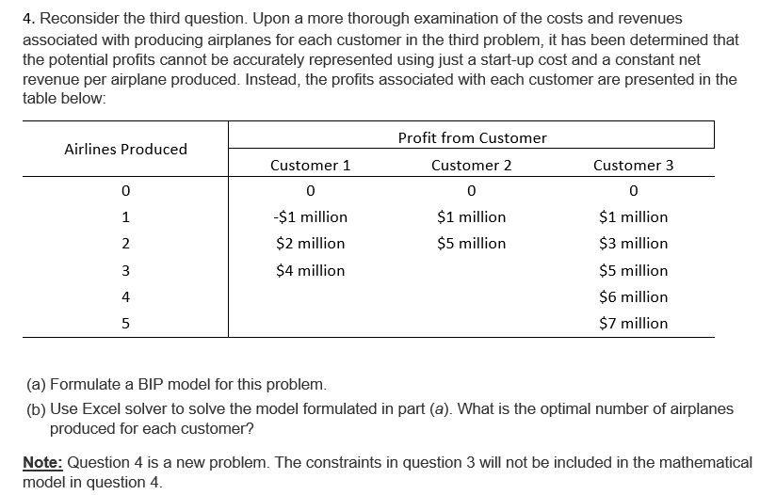
 |  |  |  |  |  | $7.00
Airlines Produced | Profit from Customer
 | Customer 1 | Customer 2 | Customer 3 | 1 | 2 | 3
0 | 0 | 0 | 0 | 0 | 0 | 0
1 | ($1) | $1 | $1 | 0 | 0 | 0
2 | $2 | $5 | $3 | 1 | 0 | 0
3 | $4 |  | $5 | 0 | 0 | 1
4 |  |  | $6 | 0 | 0 | 0
5 |  |  | $7 | 0 | 0 | 0
 |  |  |  | 1 | 0 | 1
 |  |  |  | <= | <= | <=
 |  |  |  | 1 | 1 | 1
 |  |  |  | 0.2 | 0.4 | 0.2
 |  |  |  | 2 | 0 | 3
 |  |  |  | 0.4 | 0 | 0.6 | 1 | <= | 1

